People
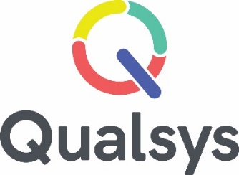
People | No. of Assets | Description |  | Date Raised |  | Likelihood | Impact | Risk Score | Risk Management
Asset |  | (Risk= Vulnerabilities and Threats) | Impact(s) |  | Current Controls |  |  |  | Mitigating Action / Controls | Actions Owned by | Likelihood | Impact | Risk Score
Employee role | 1 | Short term loss of staff | Immediate loss of resources |  |  | 3 | 3 | 9 |  |  | 3 | 1 | 3
Employee role | 1 | Long term loss of staff | Immediate loss of resources, customer and product knowlegde and expertise, loss of customer relationships |  |  | 3 | 4 | 12 |  |  | 3 | 2 | 6
Employee role | 1 | Permanent loss of staff | Immediate loss of resources, customer and product knowlegde and expertise, loss of customer relationships |  |  | 3 | 5 | 15 |  |  | 3 | 2 | 6

